Base Model
Train Data
Class | Notes | #
0 | Non Taker | 9018
1 | Taker | 9113

Classification Report
 | precision | recall | f1-score | support
0 | 0.70562878 | 0.94389 | 0.80755182 | 9018
1 | 0.91661173 | 0.61033688 | 0.73275805 | 9113
Feature Importance
accuracy |  |  | 0.77623958965
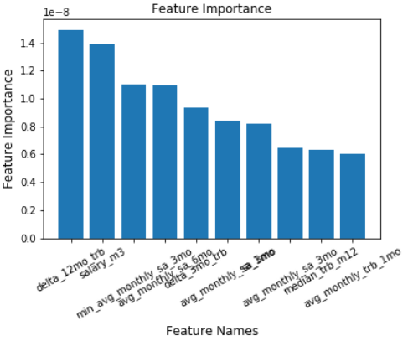

Confusion Matrix
 | Predicted: Non Taker | Predicted: Taker
Actual: Non Taker | 8512 | 506 | 9018
Actual: Taker | 3551 | 5562 | 9113
 | 12063 | 6068
Validation Data
Class | Notes | #
0 | Non Taker | 2314
1 | Taker | 2219

Classification Report
 | precision | recall | f1-score | support
0 | 0.71231979 | 0.9394987 | 0.81028699 | 2314
1 | 0.90546928 | 0.60432627 | 0.72486486 | 2219
accuracy |  |  | 0.77542466358

Confusion Matrix
4533 | Predicted: Non Taker | Predicted: Taker
Actual: Non Taker | 2174 | 140 | 2314
Actual: Taker | 878 | 1341 | 2219
 | 3052 | 1481

Model 1 - Random Forest
Feature Importance
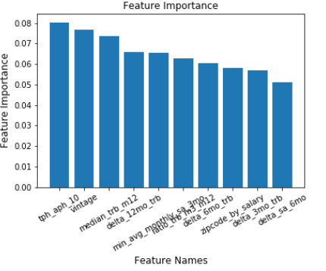
Train Data
Class | Notes | #
0 | Non Taker | 7252
1 | Taker | 4728

Classification Report
 | precision | recall | f1-score | support
0 | 0.99986213 | 1 | 0.99993106 | 7252
1 | 1 | 0.99978849 | 0.99989424 | 4728
accuracy | 99.992%

Confusion Matrix
 | Predicted: Non Taker | Predicted: Taker
Actual: Non Taker | 7252 | 0
Actual: Taker | 1 | 4727

Test Data
Class | Notes | #
0 | Non Taker | 1813
1 | Taker | 1183

Classification Report
 | precision | recall | f1-score | support
0 | 0.86816193 | 0.87534473 | 0.87173853 | 1813
1 | 0.80650685 | 0.79628064 | 0.80136112 | 1183
accuracy | 84.413%

Confusion Matrix
 | Predicted: Non Taker | Predicted: Taker
Actual: Non Taker | 1587 | 226
Actual: Taker | 241 | 942

Validation Data
Class | Notes | #
0 | Non Taker | 2267
1 | Taker | 1478

Classification Report
 | precision | recall | f1-score | support
0 | 0.86363636 | 0.8632554 | 0.86344584 | 1859
1 | 0.79039892 | 0.79093369 | 0.79066622 | 1488
accuracy | 83.471%
AUC | 85%

Confusion Matrix
3745 | Predicted: Non Taker | Predicted: Taker
Actual: Non Taker | 1957 | 310
Actual: Taker | 309 | 1169

Best Threshold = 0.41

Model 2 - SVM
Feature Importance
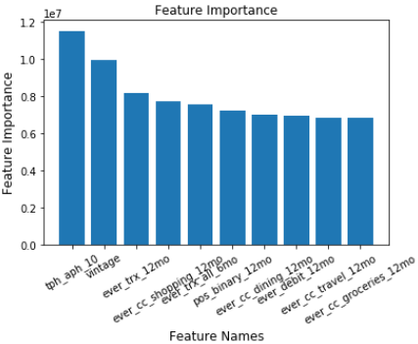
Train Data
Class | Notes | #
0 | Non Taker | 7252
1 | Taker | 4728

Classification Report
 | precision | recall | f1-score | support
0 | 0.87678484 | 0.9822118 | 0.92650884 | 7252
1 | 0.96654564 | 0.78828257 | 0.86835974 | 4728
accuracy | 90.568%

Confusion Matrix
 | Predicted: Non Taker | Predicted: Taker
Actual: Non Taker | 7123 | 129
Actual: Taker | 1001 | 3727

Test Data
Class | Notes | #
0 | Non Taker | 1813
1 | Taker | 1183

Classification Report
 | precision | recall | f1-score | support
0 | 0.83651399 | 0.72531715 | 0.77695716 | 1813
1 | 0.6502809 | 0.78275571 | 0.71039509 | 1183
accuracy | 74.800%

Confusion Matrix
 | Predicted: Non Taker | Predicted: Taker
Actual: Non Taker | 1315 | 498
Actual: Taker | 257 | 926

Validation Data
Class | Notes | #
0 | Non Taker | 2267
1 | Taker | 1478

Classification Report
 | precision | recall | f1-score | support
0 | 0.8356599 | 0.7185708 | 0.86344584 | 1859
1 | 0.65070423 | 0.78106509 | 0.79066622 | 1488
accuracy | 83.471%

Confusion Matrix
2996 | Predicted: Non Taker | Predicted: Taker
Actual: Non Taker | 1317 | 496
Actual: Taker | 259 | 924

Best Threshold = 0.43

Model 3 -Logistic Regression
Feature Importance
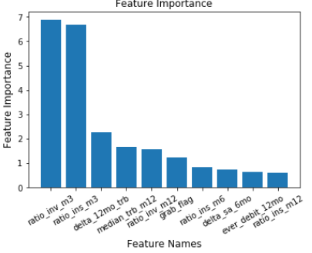
Train Data
Class | Notes | #
0 | Non Taker | 7252
1 | Taker | 4728

Classification Report
 | precision | recall | f1-score | support
0 | 0.78585777 | 0.80915609 | 0.79733678 | 7252
1 | 0.69333038 | 0.66180203 | 0.67719944 | 4728
accuracy | 75.100%

Confusion Matrix
 | Predicted: Non Taker | Predicted: Taker
Actual: Non Taker | 5868 | 1384
Actual: Taker | 1599 | 3129

Test Data
Class | Notes | #
0 | Non Taker | 1813
1 | Taker | 1183

Classification Report
 | precision | recall | f1-score | support
0 | 0.78308026 | 0.79646994 | 0.77695716 | 1813
1 | 0.6796875 | 0.66187658 | 0.71039509 | 1183
accuracy | 74.800%

Confusion Matrix
 | Predicted: Non Taker | Predicted: Taker
Actual: Non Taker | 1444 | 369
Actual: Taker | 400 | 783

Validation Data
Class | Notes | #
0 | Non Taker | 2267
1 | Taker | 1478

Classification Report
 | precision | recall | f1-score | support
0 | 0.7894277 | 0.79708866 | 0.79323968 | 1859
1 | 0.68406593 | 0.67388363 | 0.67893661 | 1488
accuracy | 74.846%

Confusion Matrix
3745 | Predicted: Non Taker | Predicted: Taker
Actual: Non Taker | 1807 | 460
Actual: Taker | 482 | 996

Best Threshold = 0.36

Model 4 - XGBoost
Feature Importance
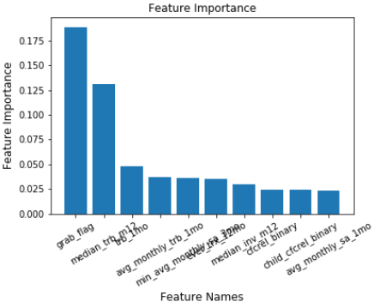
Train Data
Class | Notes | #
0 | Non Taker | 7252
1 | Taker | 4728

Classification Report
 | precision | recall | f1-score | support
0 | 0.88626082 | 0.94553227 | 0.91493762 | 7252
1 | 0.90690549 | 0.81387479 | 0.85787538 | 4728
accuracy | 75.100%

Confusion Matrix
 | Predicted: Non Taker | Predicted: Taker
Actual: Non Taker | 6857 | 395
Actual: Taker | 880 | 3848

Test Data
Class | Notes | #
0 | Non Taker | 1813
1 | Taker | 1183

Classification Report
 | precision | recall | f1-score | support
0 | 0.78108673 | 0.82460011 | 0.80225382 | 1813
1 | 0.70609982 | 0.64581572 | 0.67461369 | 1183
accuracy | 75.401%

Confusion Matrix
 | Predicted: Non Taker | Predicted: Taker
Actual: Non Taker | 1495 | 318
Actual: Taker | 419 | 764

Validation Data
Class | Notes | #
0 | Non Taker | 2267
1 | Taker | 1478

Classification Report
 | precision | recall | f1-score | support
0 | 0.80492091 | 0.80811645 | 0.80651552 | 1859
1 | 0.70388019 | 0.69959405 | 0.70173057 | 1488
accuracy | 76.529%

Confusion Matrix
3745 | Predicted: Non Taker | Predicted: Taker
Actual: Non Taker | 1832 | 435
Actual: Taker | 444 | 1034

Best Threshold = 0.36

